table
ID | model | val acc | acc | auc | loss | F1 | recall | precision | OASIS test acc | details | notes
1 | Cnn 1 | 0,93 | 0.849 | 0,87 | 1.1093 | 0.64 | 0.64 | 0.65 | 0,34 | all cnn models uploaded link | done
2 | Cnn 2 | 0.95 | 0,69 | 0,89 | 2.2112 | 0.674 | 0.685 | 0.685 | 0,67 |  | done
3 | Cnn 3 | 0.9709 | 0.9050 | 0.9725 | 0.0998 | 0.87 | 0.905 | 0.91 | 0,88 |  | done
4 | Cnn 4 | 0,99 | 0.6787 | 0.86 | 0.0269 | 0.68 | 0.67 | 0.68 | 0.25 |  | done
5 | EffiecientNetb3 | 0,9828 | 0,99 | 0,99 | 0.13 | 0.50 | 0.48 | 0.53 | 0.33 | uploaded in collab link | done
6 | InceptionV3 | 0.98 | 0,90 | 0.98 | 0.2596 | 0.90 | 0.86 | 0.873 | 31.50 | uploaded in collab link | done

 | metric | val acc | acc | auc | loss | F1 | recall | precision | OASIS test acc
 | best model | cnn 4 | EffiecientNetb3 | EffiecientNetb3 | cnn 4 | InceptionV3 | cnn 3 | cnn 3 | cnn 3
 | value | 0,99 | 0,99 | 0,99 | 0.0269 | 0,90 | 0,90 | 0,91 | 0,88

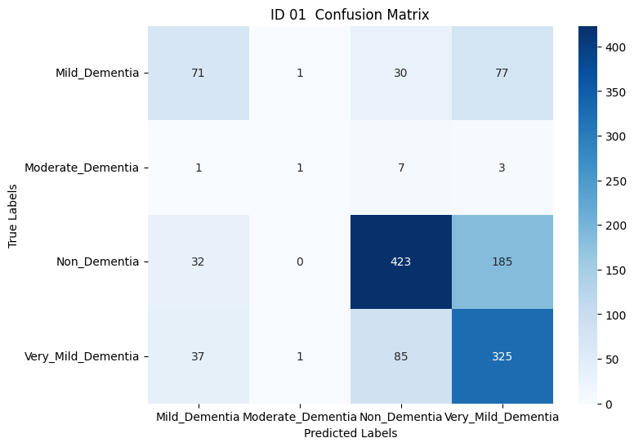
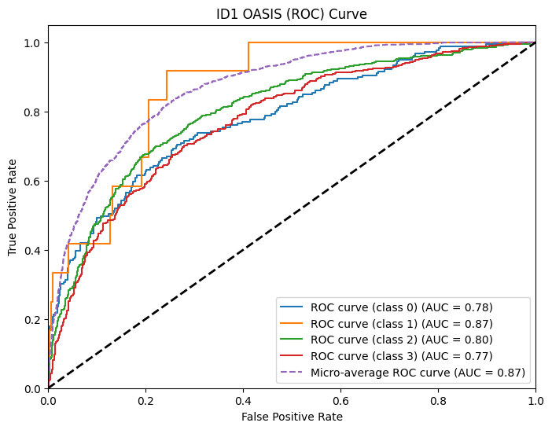
 | ID : 01

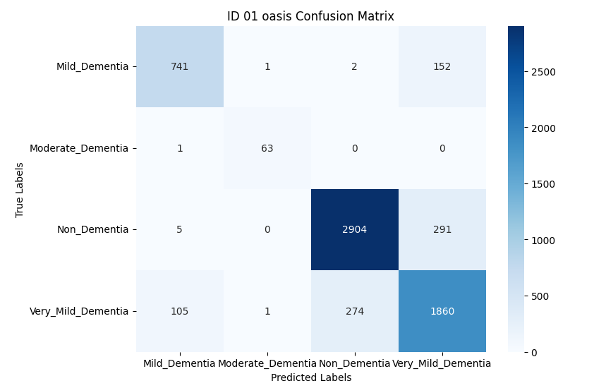

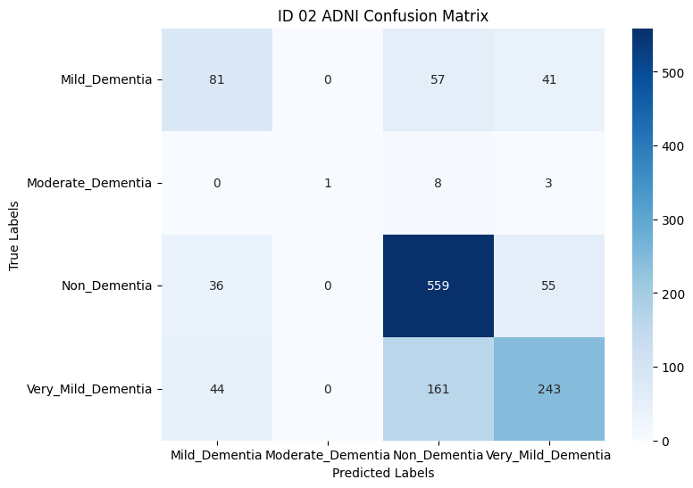
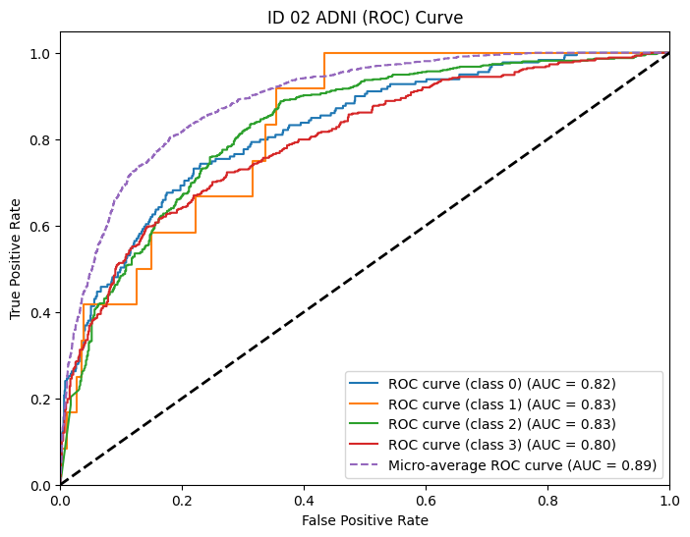

 | ID : 02

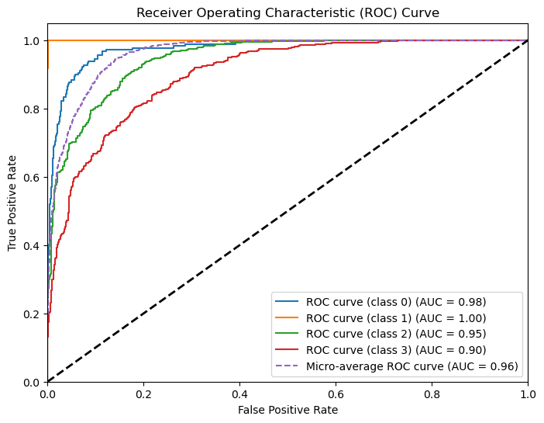
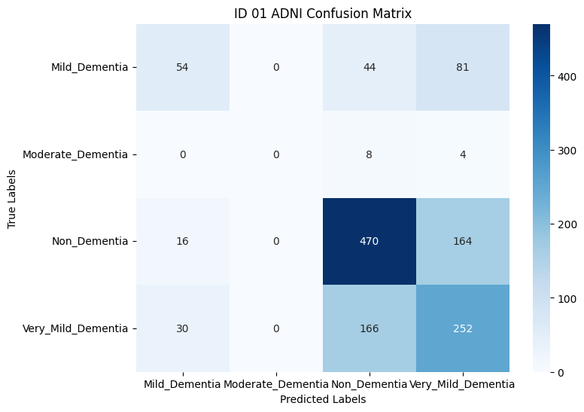
 | ID : 03

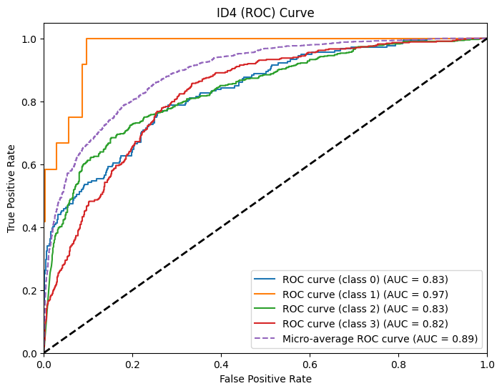
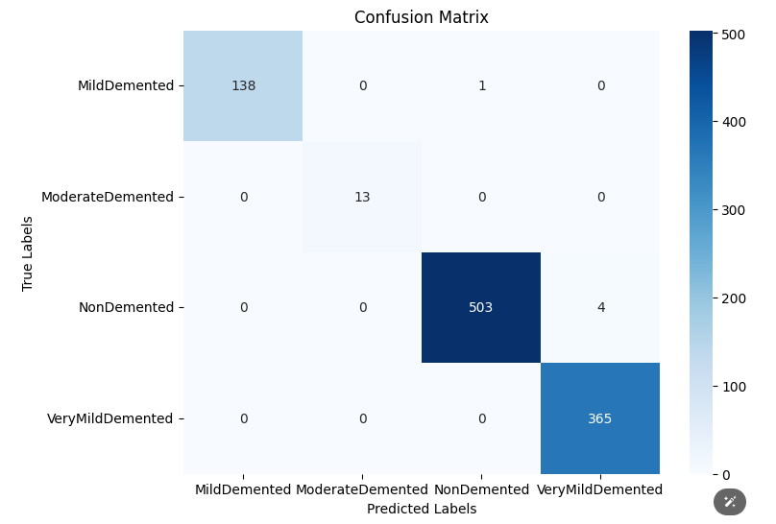
 | ID : 04

 | ID : 06
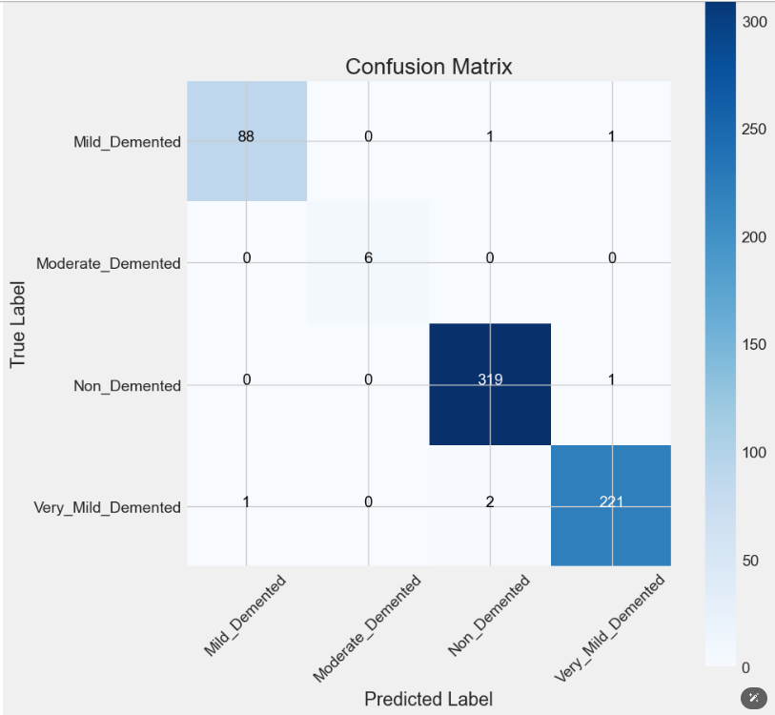

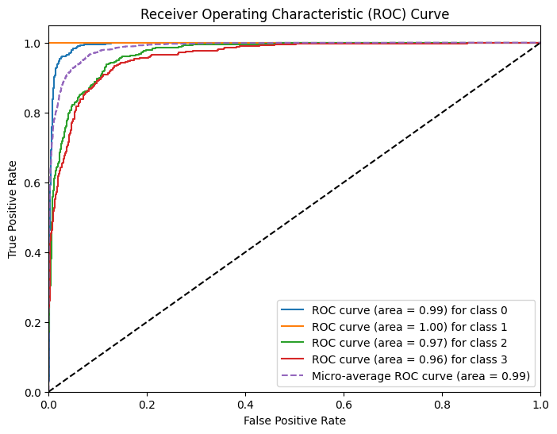

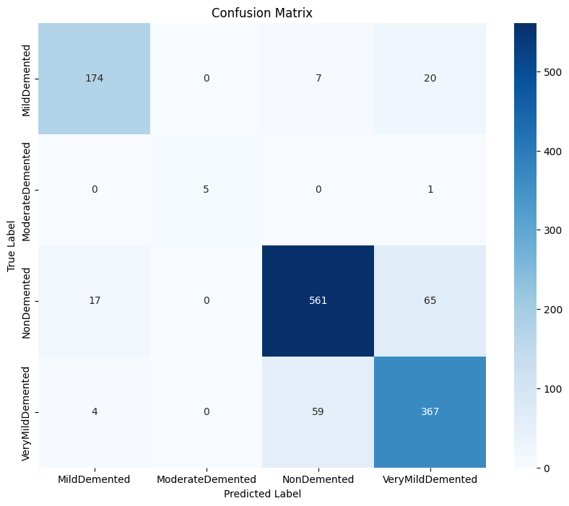
 | ID : 07
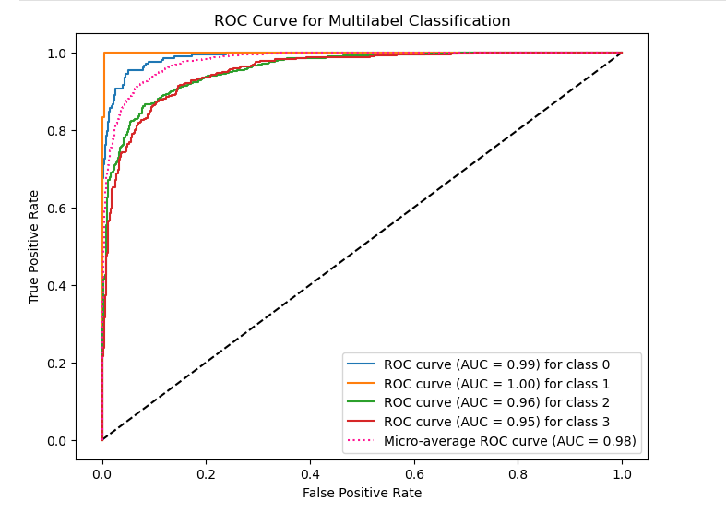

 | cnn | 0.99 | 0,98 | 0,99 | 0.1715 | 0.870 | 0.87 | 0.88 | 0.9816 | this is id 1 with the more data

